Sheet1
Town of Dewey Beach
Self-Committed Fund Allocations Analysis

Assumptions:
2024/2025 Budget |  | $5,313,136

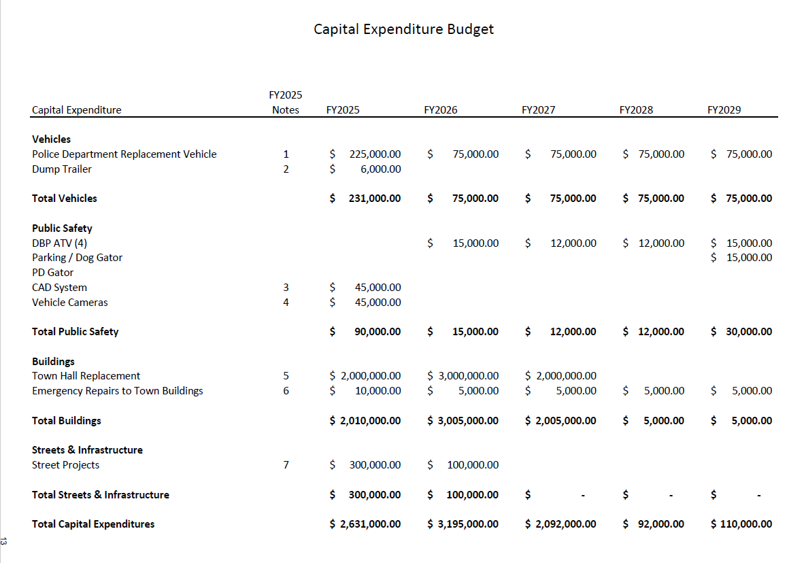
 | Balance | Required | Proposed | Allocation
Fund | 2024-03-31 | 2025-03-31

Net Income - 2024 | $843,163 |  | 0 | $843,163

Streets & Infrastructure | $682,398 |  | $600,000 | $82,398
Public Safety | 91,528 |  | 1,528 | 90,000
Beach Safety | 45,869 |  | 45,869 | -
Capital Improvements | 158,555 |  | 298,000 | (139,445)
Townhall | 2,197,591 |  | 2,923,412 | (725,821)
Rainy Day - 1/2 Budget | 2,395,574 | 2,657,000 | - | (261,426)
Unassigned - 15% | 908,130 | 797,000 | - | 111,130

 | $7,322,809 |  |  | $(0)

Capital Improvement Budget

 | 2025 | 2026 | 2027 | Total
Vehicles | $231,000 | $75,000 | $75,000 | $381,000
Less Vehicle Grants | (130,000) |  |  | (130,000)
Public Safety | 90,000 | 15,000 | 12,000 | 117,000
Less Public Safety Funds | (90,000) |  |  | (90,000) | T&A E14
Building Repairs | 10,000 | 5,000 | 5,000 | 20,000
 | 111,000 | 95,000 | 92,000 | 298,000 | T&A D16
 |  |  |  | -

